Search mode
Customer | Order Date | When was the last order?
Lola | 2020-01-16 | Customer | Date
Bob | 2020-05-28 | Lola | 2020-07-13
Patrick | 2020-05-30
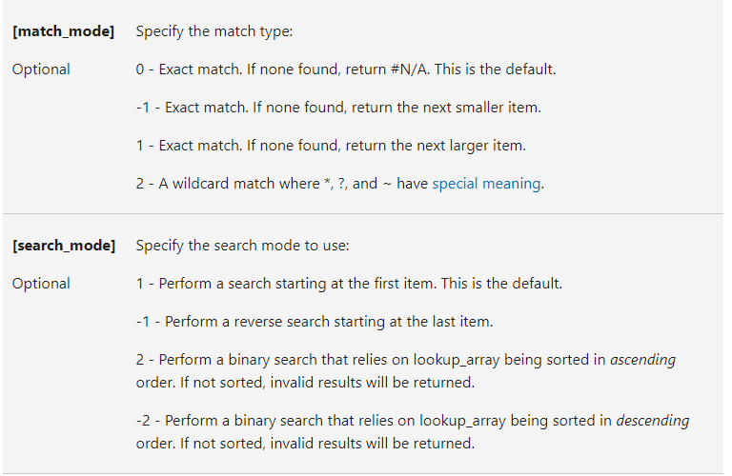
Rajani | 2020-05-31
Kevin | 2020-06-08
Lola | 2020-06-11
Lola | 2020-07-13
Lucy | 2020-09-22
Patrick | 2020-10-03
Lucy | 2020-10-10
Daisy | 2020-10-29
Kevin | 2020-11-12
Bill | 2020-12-01
Kendra | 2020-12-19
Kevin | 2020-12-23

